Sheet2
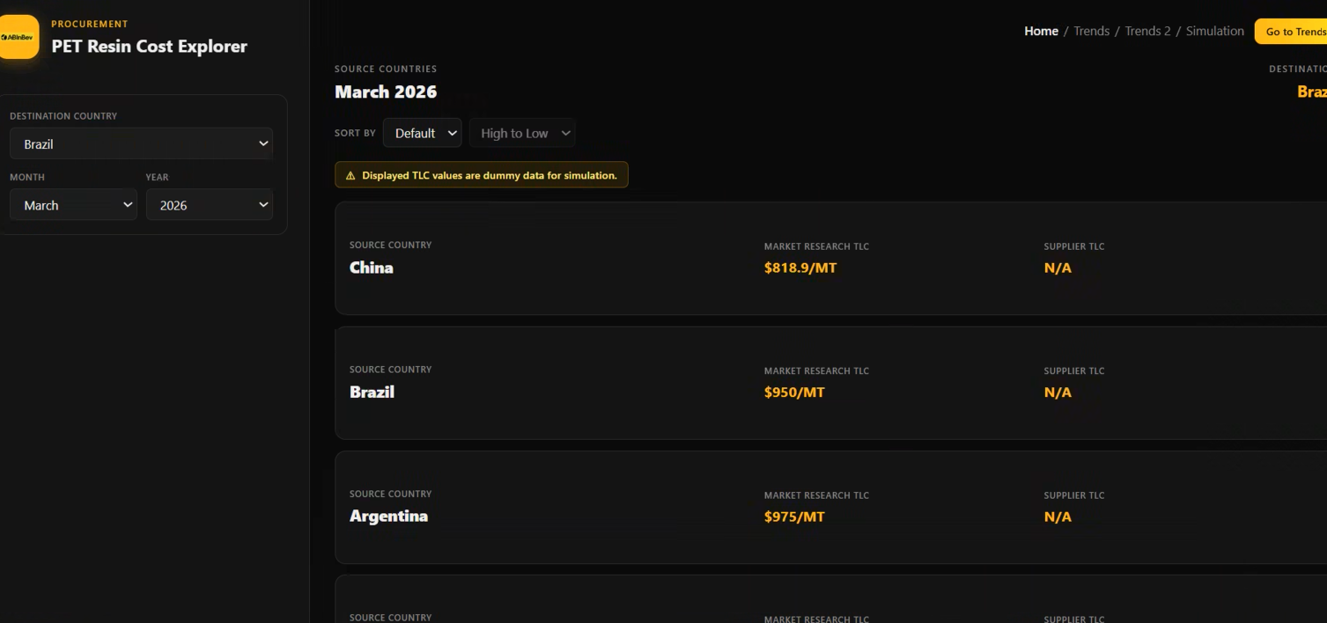

Destination Country | Market Research | Suppliers
Brazil | China ($ 899) | Amcor ($ 890)
 | Brazil ($900) | Valpack
 | Argentina

